Configuration 1
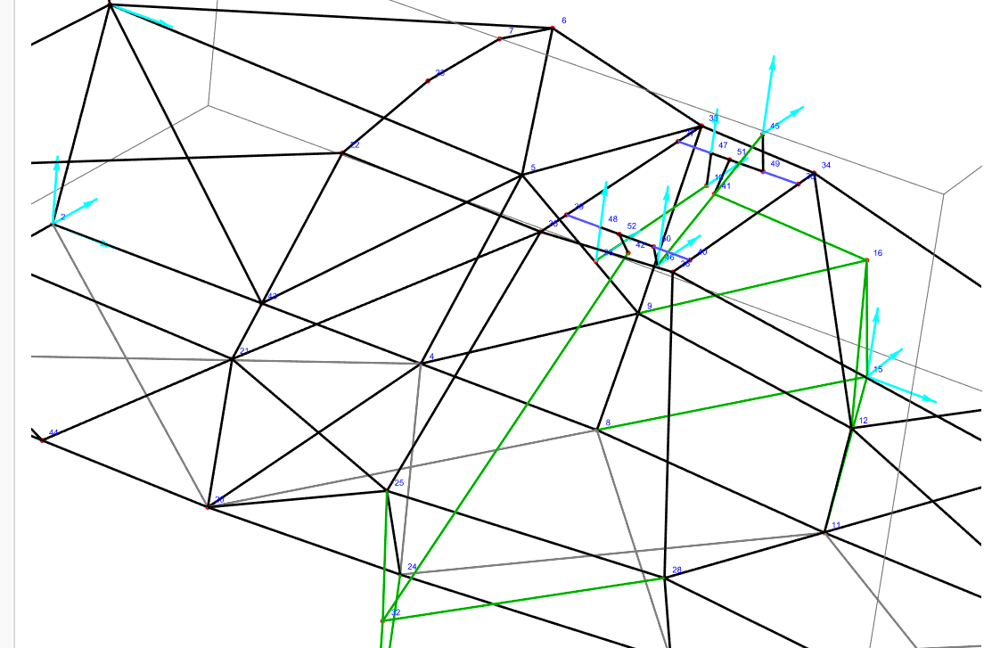
All the forces are defined in the rocker reference frame (N for forces and Nmm for moments)
Configuration 1 | 2,13g lateral acceleration (left corner)
Beam | Start node | End node | N | Txy | Mz | Mxy | Fx-R | Fy-R | Fz-R | Fx-L | Fy-L | Fz-L | Forces at the wheels
73 | 42 | 32 | -2971.9311931 | 0 | 0 | 0 | 0 | 2828.0624624 | 913.47562942 | 0 | -2845.7220022 | -856.87881437 | Fx_fl = 35.67
74 | 41 | 16 | -299.59974667 | 0 | 0 | 0 | 0 | 232.99403513 | -188.344864 | 0 | -229.19051201 | 192.95522125 | Fx_fr = 16
90 | 39 | 48 | 287.40866818 | 771.61047299 | 0 | 27356.267237 | -287.40866818 | 0 | 0 | -287.40866818 | 0 | 0 | Fy_fl = 320
93 | 40 | 50 | 287.40866816 | 453.16029537 | 0 | 17904.193076 | 287.40866816 | 0 | 0 | 287.40866816 | 0 | 0 | Fy_fr = 2765
97 | 37 | 47 | -1171.2620594 | 1812.5942517 | 0 | 60732.876456 | 1171.2620594 | 0 | 0 | 1171.2620594 | 0 | 0 | Fz_fl = 178
100 | 38 | 49 | -1171.2620594 | 1208.5415635 | 0 | 37085.37393 | -1171.2620594 | 0 | 0 | -1171.2620594 | 0 | 0 | Fz_fr = 1681
104 | 10 | 26 | -1036.9419225 | 0 | 0 | 0 | 0 | -1020.4249072 | 184.34087828 | 0 | 1016.5445681 | -204.6599414 | delta =
105 | 45 | 46 | -188.73680234 | 0 | 0 | 0 | 0 | -185.82476491 | -33.026312308 | 0 | 186.44660702 | 29.312851897 | z_fl = 0.00448
 |  |  |  |  |  |  |  |  |  |  |  |  | z_fr = 0.02725

Configuration 2 | 1,4g acceleration
Beam | Start node | End node | N | Txy | Mz | Mxy | Fx-R | Fy-R | Fz-R | Fx-L | Fy-L | Fz-L | Fx_fl = 570
73 | 42 | 32 | -428.56162396 | 0 | 0 | 0 | 0 | 372.40251157 | 212.0882715 | 0 | -413.78465838 | -111.56756706 | Fx_fr = 380
74 | 41 | 16 | -704.13827829 | 0 | 0 | 0 | 0 | 626.52361776 | -321.37030252 | 0 | -525.51055773 | 468.66765268 | Fy_fl = -200
90 | 39 | 48 | -37.377892511 | 231.92339825 | 0 | 5644.6601702 | 37.377892511 | 0 | 0 | 37.377892511 | 0 | 0 | Fy_fr = -200
93 | 40 | 50 | -37.377892511 | 186.83934105 | 0 | 6093.6325547 | -37.377892511 | 0 | 0 | -37.377892511 | 0 | 0 | Fz_fl = 424
97 | 37 | 47 | 116.85641755 | 198.8773637 | 0 | 7281.0748606 | -116.85641755 | 0 | 0 | -116.85641755 | 0 | 0 | Fz_fr = 265
100 | 38 | 49 | 116.85641755 | 258.81503151 | 0 | 9448.851227 | 116.85641755 | 0 | 0 | 116.85641755 | 0 | 0 | delta =
104 | 10 | 26 | -44.30375194 | 0 | 0 | 0 | 0 | -44.287920368 | -1.184291118 | 0 | 43.161164143 | -9.9968167833 | z_fl = 0.007
105 | 45 | 46 | 240.78759561 | 0 | 0 | 0 | 0 | 223.48435835 | 89.62927965 | 0 | -238.84600576 | -30.516417393 | z_fr = 0.0092

Configuration 3 | 1,34g braking
Beam | Start node | End node | N | Txy | Mz | Mxy | Fx-R | Fy-R | Fz-R | Fx-L | Fy-L | Fz-L | Fx_fl = -1513.53
73 | 42 | 32 | -2242.3617763 | 0 | 0 | 0 | 0 | 2028.2840936 | 956.16419696 | 0 | -2232.701383 | -207.92034609 | Fx_fr = -1489
74 | 41 | 16 | -2184.9594069 | 0 | 0 | 0 | 0 | 1861.4405276 | -1144.1532993 | 0 | -1360.2597227 | 1709.8950543 | Fy_fl = 190
90 | 39 | 48 | -3.6854077373 | 895.06370729 | 0 | 23496.666732 | 3.6854077373 | 0 | 0 | 3.6854077373 | 0 | 0 | Fy_fr = 190
93 | 40 | 50 | -3.6854077285 | 520.52050437 | 0 | 20219.493298 | -3.6854077285 | 0 | 0 | -3.6854077285 | 0 | 0 | Fz_fl = 1321
97 | 37 | 47 | -13.427286669 | 914.66618622 | 0 | 23901.340627 | 13.427286669 | 0 | 0 | 13.427286669 | 0 | 0 | Fz_fr = 1321
100 | 38 | 49 | -13.427286678 | 518.7423648 | 0 | 20510.863224 | -13.427286678 | 0 | 0 | -13.427286678 | 0 | 0 | delta =
104 | 10 | 26 | -1092.8891403 | 0 | 0 | 0 | 0 | -1091.4987649 | 55.110064057 | 0 | 1007.4202437 | -423.68753289 | z_fl = 0.022
105 | 45 | 46 | -320.10677963 | 0 | 0 | 0 | 0 | -305.406532 | -95.891608488 | 0 | 319.80494731 | -13.897699046 | z_fr = 0.016

Configuration 4 | 2,13g lateral acceleration (rightcorner)
Beam | Start node | End node | N | Txy | Mz | Mxy | Fx-R | Fy-R | Fz-R | Fx-L | Fy-L | Fz-L | Fx_fl = 16
73 | 42 | 32 | -298.46305961 | 0 | 0 | 0 | 0 | 247.01026576 | 167.52947969 | 0 | -297.86549218 | -18.877142871 | Fx_fr = 35.67
74 | 41 | 16 | -2971.9311931 | 0 | 0 | 0 | 0 | 2742.5110487 | -1144.9926481 | 0 | -1781.0695792 | 2379.1103737 | Fy_fl = -2765
90 | 39 | 48 | 5.3896294791 | 1009.0368839 | 0 | 40030.878825 | -5.3896294791 | 0 | 0 | -5.3896294791 | 0 | 0 | Fy_fr = -320
93 | 40 | 50 | 5.3896295394 | 1210.7444108 | 0 | 51934.996096 | 5.3896295394 | 0 | 0 | 5.3896295394 | 0 | 0 | Fz_fl = 1681
97 | 37 | 47 | 620.55094695 | 792.08695642 | 0 | 52375.487924 | -620.55094695 | 0 | 0 | -620.55094695 | 0 | 0 | Fz_fr = 178
100 | 38 | 49 | 620.55094689 | 2805.5929568 | 0 | 146388.86868 | 620.55094689 | 0 | 0 | 620.55094689 | 0 | 0 | delta =
104 | 10 | 26 | -291.76470509 | 0 | 0 | 0 | 0 | -290.43259657 | -27.848698101 | 0 | 264.33638972 | -123.50269716 | z_fl = 0.02725
105 | 45 | 46 | 187.14419531 | 0 | 0 | 0 | 0 | 170.10089105 | 78.029716787 | 0 | -186.16028527 | 19.165020923 | z_fr = 0.00448

